Sheet1
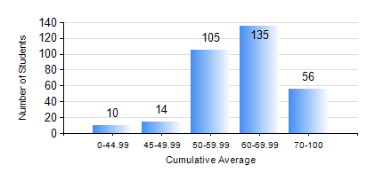
 |  |  | KWAME NKRUMAH UNIVERSITY OF SCIENCE AND TECHNOLOGY, KUMASI Department of Civil Engineering

 |  |  | BSC. CIVIL ENG.

 |  |  | COMPREHENSIVE RECORD OF EXAMINATION RESULTS

 |  |  | RESULTS OF YEAR 3 FIRST SEMESTER, 2022/2023 ACADEMIC YEAR

 | Sn | Course Code |  | Course Name | Credit Hours | Min. Mark | Max. Mark | Avg. Mark | Std. Dev. | No. Passed | No. Trailed | No. (Df) | No. (I) | No. (I*) | No. Tagged(I,I*,Df) | Total
 | 0. |  |  |  |  |  |  | 0 | 0 | 0 | 0 | 0 | 0 | 0 | 0 | 26
 | 1. | CE 351 |  | STRUCTURAL ANALYSIS | 2 | 10 | 98 | 52 | 18.67 | 218 | 75 | 0 | 0 | 0 | 0 | 293
 | 2. | CE 353 |  | REINFORCED CONCRETE DESIGN | 3 | 24 | 82 | 55 | 9.33 | 280 | 13 | 0 | 0 | 0 | 0 | 293
 | 3. | CE 355 |  | HYDROLOGY | 2 | 15 | 95 | 69 | 13.4 | 290 | 3 | 0 | 0 | 0 | 0 | 293
 | 4. | CE 359 |  | SOIL MECHANICS | 3 | 17 | 95 | 57 | 15.04 | 269 | 24 | 0 | 0 | 0 | 0 | 293
 | 5. | CE 367 |  | HIGHWAY AND TRANSPORTATION ENGINEERING I | 2 | 30 | 95 | 70 | 11.63 | 292 | 2 | 0 | 0 | 0 | 0 | 294
 | 6. | GE 381 |  | ENGINEERING SURVEYING | 3 | 40 | 84 | 64 | 8.93 | 294 | 0 | 0 | 0 | 0 | 0 | 294
 | 7. | MATH 351 |  | NUMERICAL ANALYSIS | 2 | 20 | 80 | 56 | 10.08 | 284 | 10 | 0 | 0 | 0 | 0 | 294
 | 8. | STAT 253 |  | PROBABILITY AND STATISTICS | 2 | 2 | 98 | 57 | 18.41 | 267 | 26 | 0 | 0 | 0 | 0 | 293

